Project
 |  |  |  | 

 | Test Scenarious for SONIC SARGAM

 |  | Project | SONIC SARGAM
 |  | Project Code | Test Titan
 |  | Tester | Atul Pal
 |  | IA Instrucctor | Anjali Shaw
 |  | Approved by | Pooja Yadav

Test Cases
Test Cases

TS | TEST SCENARIOS
TC | TEST CASES

Testing_Type | Test_Scenarios ID | Test_Scenarios | Test _Case_ID | Test_Case_Description | Pre_conditions | Test_Steps | Test_Data | Expected_Result | Actual_Result | Status | Proof | Tested by
Functional Testing | TS_001 | validating the Search Functionality | TC_001 | user can search with his desire on the home page | 1. Good Internet 2. Good Laptop 3. Using Chrome Browser 4. URL : https://newsonicsargam.netlify.app/ | 1. Visit the Website. 2. Navigate to the search bar 3. click on it & search any song | Whenever user search any song which is available on top song section on his platform it give desired output | after searching the song name it gives the result of it | after searching the song name it gives the searched song | PASSED | 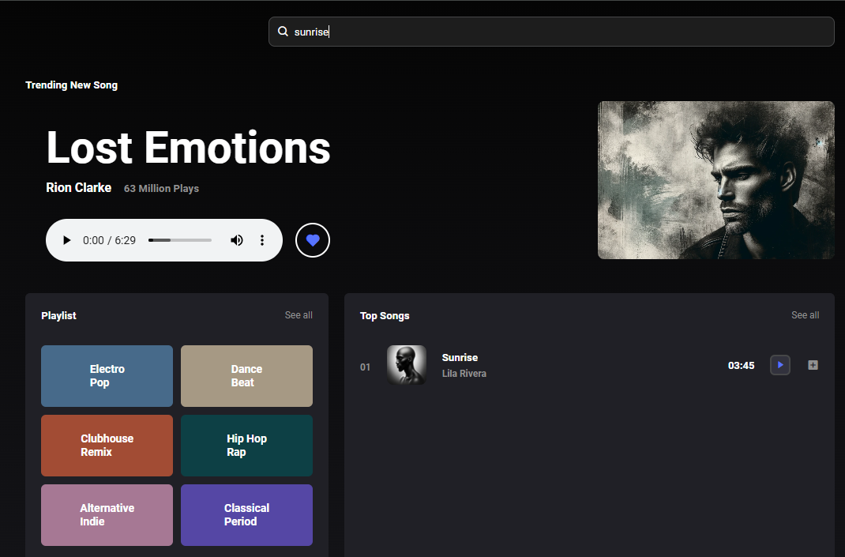 | Atul Pal
Functional Testing |  |  | TC_002 | user can search with his desired song on the home page | 1. Good Internet 2. Good Laptop 3. Using Chrome Browser 4. URL : https://newsonicsargam.netlify.app/ | 1. Visit the Website. 2. Navigate to the search bar 3. click on it & search any song | Whenever user search any song which is available on playlist section on his platform it give desired output | after searching the song name it gives the result of it | after searching the song name it doesn't give the songs which is on platform specially Playlist section | FAILED | 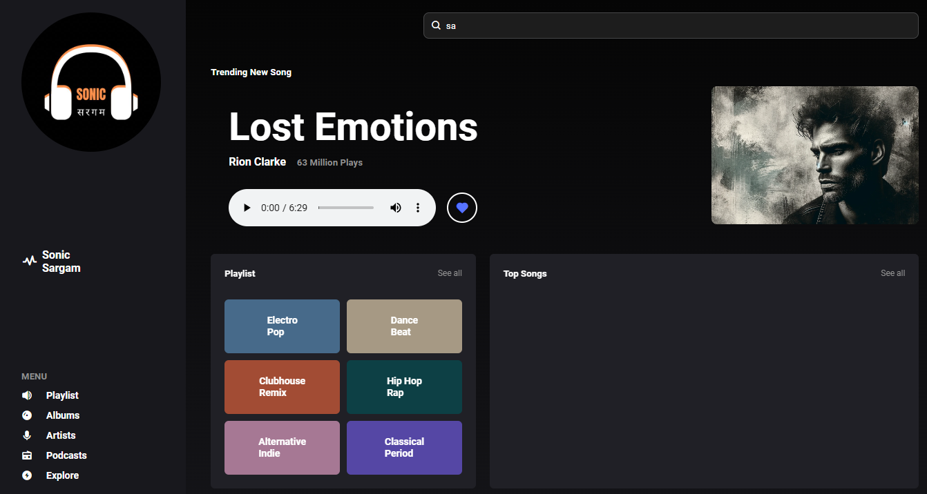 | Atul Pal
Functional Testing |  |  | TC_003 | user can search with his desire on the home page | 1. Good Internet 2. Good Laptop 3. Using Chrome Browser 4. URL : https://newsonicsargam.netlify.app/ | 1. Visit the Website. 2. Navigate to the search bar 3. click on it & search any artist name | Whenever user search any artist name which is available on his platform it give desired output | after searching the Artist name it gives the result of it | after searching the Artist name it doesn't give the artist search result | FAILED | 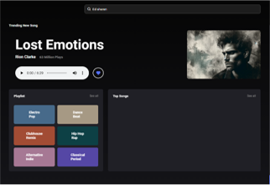 | Atul Pal
Functional Testing | TS_002 | validating the Notification Functionality | TC_004 | user gets the notifications of newly upcoming any update | 1. Good Internet 2. Good Laptop 3. Using Chrome Browser 4. URL : https://newsonicsargam.netlify.app/ | 1. Visit the Website. 2. Navigate to the Notification icon 3. click on it & search notification button | Whenever user click on the notification icon get update or any message | after clicking on the notification icon it should open or give any update or notification | after clicking on the icon it doesn't responding | FAILED | https://drive.google.com/file/d/1CyDQE1XeIg_57UghRRwlq1f2q8ZkcChf/view?usp=sharing | Atul Pal
Functional Testing |  |  | TC_005 | Checking the notification icon button is clickable or not | 1. Good Internet 2. Good Laptop 3. Using Chrome Browser 4. URL : https://newsonicsargam.netlify.app/ | 1. Visit the Website. 2. Navigate to the Notification icon 3. click on it & search notification button | Whenever user click on the notification icon user's can get any response | after clicking on the notification icon it should open or give any update or notification | after clicking on the icon user get any response | FAILED | https://drive.google.com/file/d/1CyDQE1XeIg_57UghRRwlq1f2q8ZkcChf/view?usp=sharing | Atul Pal
Functional Testing | TS_003 | validating the Setting Functionality | TC_006 | Checking the Setting icon button is clickable or not | 1. Good Internet 2. Good Laptop 3. Using Chrome Browser 4. URL : https://newsonicsargam.netlify.app/ | 1. Visit the Website. 2. Navigate to the Notification icon 3. click on it & search Setting button | Whenever user click on the Setting icon should open or give the setting options | after clicking on the setting icon it should open or give any setting options | after clicking on the icon it doesn't responding | FAILED | https://drive.google.com/file/d/1pCGFx65JEomn9TNSKtQup-cPSEye4Chl/view?usp=sharing | Atul Pal
Functional Testing |  |  | TC_007 | Checking the setting icon button is clickable or not | 1. Good Internet 2. Good Laptop 3. Using Chrome Browser 4. URL : https://newsonicsargam.netlify.app/ | 1. Visit the Website. 2. Navigate to the Notification icon 3. click on it & search setting button | Whenever user click on the setting icon user's can get any response | after clicking on the setting icon it should open or give any response | after clicking on the icon it doesn't responding | FAILED | https://drive.google.com/file/d/1pCGFx65JEomn9TNSKtQup-cPSEye4Chl/view?usp=sharing | Atul Pal
Functional Testing | TS_004 | validating the Profile Functionality | TC_008 | Checking the Profile icon | 1. Good Internet 2. Good Laptop 3. Using Chrome Browser 4. URL : https://newsonicsargam.netlify.app/ | 1. Visit the Website. 2. Navigate to the Profile icon 3. click on the profile button icon | Whenever user click on the Profile icon user's profile should open | after clicking on the profile icon it should open or give any response | after clicking on the icon it doesn't responding | FAILED | https://drive.google.com/file/d/1A1HRTJkdh1Djvo8AOf_QBIVswRNpHes1/view?usp=sharing | Atul Pal
Functional Testing |  |  | TC_009 |  | 1. Good Internet 2. Good Laptop 3. Using Chrome Browser 4. URL : https://newsonicsargam.netlify.app/ | 1. Visit the Website. 2. Navigate to the Profile icon 3. click on the profile button icon | Whenever user click on the Profile icon user's profile should open | after clicking on the profile icon it should open or give any response | logout button is overlapping on profile button | FAILED |  | Atul Pal
Functional Testing | TS_005 | validating the Register Functionality | TC_010 | Checking the Registration validation | 1. Good Internet 2. Good Laptop 3. Using Chrome Browser 4. URL : https://newsonicsargam.netlify.app/ | 1. Visit the Website. 2. Navigate to the Logout button icon 3. click on the logout button icon | if user wants to listen a song it should login first | whenever user opening the webpage, user first get the login page or registration page | it showing logout button without logged in | FAILED | https://drive.google.com/file/d/1TuK8J7vlMfChpT9nUmzu15kuQpIiEsil/view?usp=sharing | Atul Pal
Functional Testing |  |  | TC_011 | Checking the Registration validation | 1. Good Internet 2. Good Laptop 3. Using Chrome Browser 4. URL : https://newsonicsargam.netlify.app/ | 1. Visit the Website. 2. Navigate to the Logout button icon 3. click on the logout button icon | if user wants to listen a song it should login first | whenever user opening the webpage, user first login page or when user click the logged out button after this user try to register with new email it should register | it should be signed up or get access to the page | PASSED | https://drive.google.com/file/d/1TRduM78cYhKW0WIuImUXDzzM_zdkxf-W/view?usp=sharing | Atul Pal
Functional Testing |  |  | TC_012 | Checking the Registration validation | 1. Good Internet 2. Good Laptop 3. Using Chrome Browser 4. URL : https://newsonicsargam.netlify.app/ | 1. Visit the Website. 2. Navigate to the Logout button icon 3. click on the logout button icon | if user wants to listen a song it should login first | if user try sign up with existing email | it is showing error | PASSED | https://drive.google.com/file/d/1TRduM78cYhKW0WIuImUXDzzM_zdkxf-W/view?usp=sharing | Atul Pal
Functional Testing | TS_006 | validating the Login Functionality | TC_013 | Checking the login module | 1. Good Internet 2. Good Laptop 3. Using Chrome Browser 4. URL : https://newsonicsargam.netlify.app/ | 1. Visit the Website. 2. Navigate to the Logout button icon 3. click on the logout button icon after it, showing login page | user get logged in with valid credntials | User inputting the valid username or valid password | User Logged in | PASSED | https://drive.google.com/file/d/1EC8qr8UjRRYjJxmc6_Dn8CLOiqGY5sgt/view?usp=sharing | Atul Pal
Functional Testing |  |  | TC_014 | Checking the login module | 1. Good Internet 2. Good Laptop 3. Using Chrome Browser 4. URL : https://newsonicsargam.netlify.app/ | 1. Visit the Website. 2. Navigate to the Logout button icon 3. click on the logout button icon after it, showing login page | user should not logged in with invalid username and valid password | user should not logged in | User get error | PASSED | https://drive.google.com/file/d/1uMlfwNlne58G2DGBfPwkmJ9KQg48XlQv/view?usp=sharing | Atul Pal
Functional Testing |  |  | TC_015 | Checking the login module | 1. Good Internet 2. Good Laptop 3. Using Chrome Browser 4. URL : https://newsonicsargam.netlify.app/ | 1. Visit the Website. 2. Navigate to the Logout button icon 3. click on the logout button icon after it, showing login page | user should not logged in with valid username and invalid password | user should not logged in | User get error | PASSED | https://drive.google.com/file/d/1uMlfwNlne58G2DGBfPwkmJ9KQg48XlQv/view?usp=sharing | Atul Pal
Functional Testing | TS_007 | validating the trending song section functionality | TC_016 | Checking the Trending Song is playing | 1. Good Internet 2. Good Laptop 3. Using Chrome Browser 4. URL : https://newsonicsargam.netlify.app/ | 1. Visit the Website. 2. Navigate to the Trending new song section. | Checking the trending new song section's button is working perfectly or not (Play, Pause, Volume up/down, Playback speed , download ) | All player button should working perfectly | User can acces all the buttons without any error | PASSED | NA | Atul Pal
Functional Testing |  |  | TC_017 | Checking the Trending Song is playing | 1. Good Internet 2. Good Laptop 3. Using Chrome Browser 4. URL : https://newsonicsargam.netlify.app/ | 1. Visit the Website. 2. Navigate to the Trending new song section. | Checking the trending new song section's button is working perfectly or not (Like button [heart shaped] ) | liked button should working properly | it it not working | FAILED | https://drive.google.com/file/d/1amdQdAJHH5yiopBEbTg1NFqSj3tOxmkD/view?usp=sharing | Atul Pal
Functional Testing |  |  | TC_018 | Checking the Trending Song is playing | 1. Good Internet 2. Good Laptop 3. Using Chrome Browser 4. URL : https://newsonicsargam.netlify.app/ | 1. Visit the Website. 2. Navigate to the Trending new song section. | Checking the trending new song section should have more songs | User can access the more trending songs | User can't access the more trending songs | FAILED | https://drive.google.com/file/d/1amdQdAJHH5yiopBEbTg1NFqSj3tOxmkD/view?usp=sharing | Atul Pal
Functional Testing | TS_008 | validating the Playlist and his buttons Functionality | TC_019 | Checking the Playlist section should working | 1. Good Internet 2. Good Laptop 3. Using Chrome Browser 4. URL : https://newsonicsargam.netlify.app/ | 1. Visit the Website. 2. Navigate to the Playlist section which is available on home screen . | Checking the playlist section's button is working perfectly or not (Electro Pop, Dance Beat, Clubhouse Remix, Hip Hop Rap, Alternative Indie, Classical Period & See all) | All button should working perfectly | User can't access the any button it is not working | FAILED | https://drive.google.com/file/d/1h9LnxM5bncmqUjAC1ZLfgUFr8ey61_Ux/view?usp=sharing | Atul Pal
Functional Testing | TS_009 | validating the Top Songs and his lists functionality | TC_020 | Checking the Top Songs section should working | 1. Good Internet 2. Good Laptop 3. Using Chrome Browser 4. URL : https://newsonicsargam.netlify.app/ | 1. Visit the Website. 2. Navigate to the Top Song section which is available on home screen. | Checking the top song section it should work or it all songs also | Checking the all songs which is available it should work | all songs are working perfectly | PASSED | NA | Atul Pal
Functional Testing |  |  | TC_021 | Checking the Top Songs section should working | 1. Good Internet 2. Good Laptop 3. Using Chrome Browser 4. URL : https://newsonicsargam.netlify.app/ | 1. Visit the Website. 2. Navigate to the Top Song section which is available on home screen. | Checking the top song section's play pause button | when user click on play button it should play and when user again clcik on it it should be paused | play pause button working fine | PASSED | NA | Atul Pal
Functional Testing |  |  | TC_022 | Checking the Top Songs section should working | 1. Good Internet 2. Good Laptop 3. Using Chrome Browser 4. URL : https://newsonicsargam.netlify.app/ | 1. Visit the Website. 2. Navigate to the Top Song section which is available on home screen. | Checking the top song section's play pause button | when user click on play button icon should change when is playing then play icon will show or when it is pause, pause icon should be show and add song player icon should also work | play, pause, add song to player icon or button is not working | FAILED | https://drive.google.com/file/d/1b2gbXmWcgdrijcZeUoDtVn87e1PIXFh5/view?usp=sharing | Atul Pal
Functional Testing |  |  | TC_023 | Checking the Top Songs section should working | 1. Good Internet 2. Good Laptop 3. Using Chrome Browser 4. URL : https://newsonicsargam.netlify.app/ | 1. Visit the Website. 2. Navigate to the Top Song section which is available on home screen. | Count of musics | counts must be correct | count are not corrected | FAILED | 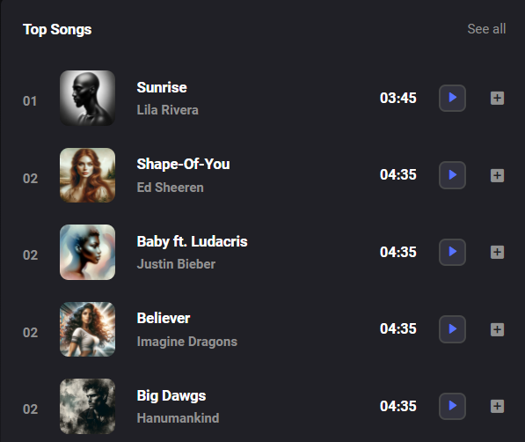 | Atul Pal
Functional Testing |  |  | TC_024 | Checking the Top Songs section should working | 1. Good Internet 2. Good Laptop 3. Using Chrome Browser 4. URL : https://newsonicsargam.netlify.app/ | 1. Visit the Website. 2. Navigate to the Top Song section which is available on home screen. | Checking the top song section it should work | See All button should work or gives the all top songs | See all button not working | FAILED | https://drive.google.com/file/d/1-ev_HOx7HXxKAOMuqVamtg-3_SdLgI_3/view?usp=sharing | Atul Pal
Functional Testing | TS_010 | validating the player Section is working or not | TC_025 | Checking the Player section should working | 1. Good Internet 2. Good Laptop 3. Using Chrome Browser 4. URL : https://newsonicsargam.netlify.app/ | 1. Visit the Website. 2. Navigate to the Top Song section which is available on home screen. | Checking the player section it should work | Player section play pause should work | play button not working pause working only | FAILED | https://drive.google.com/file/d/1Gor4XEIMvjaCLmHnrIIN07IiQ-Kf3bJt/view?usp=sharing | Atul Pal
Functional Testing |  |  | TC_026 | Checking the Player section should working | 1. Good Internet 2. Good Laptop 3. Using Chrome Browser 4. URL : https://newsonicsargam.netlify.app/ | 1. Visit the Website. 2. Navigate to the Top Song section which is available on home screen. | Checking the player section it should work | Player section's backward and forwad button should work | it is not working | FAILED | https://drive.google.com/file/d/1Gor4XEIMvjaCLmHnrIIN07IiQ-Kf3bJt/view?usp=sharing | Atul Pal
Functional Testing |  |  | TC_027 | Checking the Player section should working | 1. Good Internet 2. Good Laptop 3. Using Chrome Browser 4. URL : https://newsonicsargam.netlify.app/ | 1. Visit the Website. 2. Navigate to the Top Song section which is available on home screen. | Checking the player section it should work | Player section's Shuffle and repeat button should work | it is not working | FAILED | https://drive.google.com/file/d/1Gor4XEIMvjaCLmHnrIIN07IiQ-Kf3bJt/view?usp=sharing | Atul Pal
Functional Testing | TS_011 | Validating the menu Section's functionality | TC_028 | Checking the Menu section should working | 1. Good Internet 2. Good Laptop 3. Using Chrome Browser 4. URL : https://newsonicsargam.netlify.app/ | 1. Visit the Website. 2. Navigate to the Menu section which is available on home screen's left side portion | Checking the menu section it should work | menu section should work | it is working fine | PASSED | NA | Atul Pal
Functional Testing |  |  | TC_029 | Checking the Menu section should working | 1. Good Internet 2. Good Laptop 3. Using Chrome Browser 4. URL : https://newsonicsargam.netlify.app/ | 1. Visit the Website. 2. Navigate to the Menu section which is available on home screen's left side portion | Checking the menu section's playlist it should work | menu section's playlist should work (Music should play, play, pause, stop & Music time bar should work) | it is not working | FAILED | https://drive.google.com/file/d/1IFpYtVJm6zvN2cFHiWpi-11c4g7Yyvvc/view?usp=sharing | Atul Pal
Functional Testing |  |  | TC_030 | Checking the Menu section should working | 1. Good Internet 2. Good Laptop 3. Using Chrome Browser 4. URL : https://newsonicsargam.netlify.app/ | 1. Visit the Website. 2. Navigate to the Menu section which is available on home screen's left side portion | Checking the menu section's Album it should work | menu section's album should work (Music should play, play, pause, stop & Music time bar should work) | it is not working | FAILED | https://drive.google.com/file/d/1g5Oz9yDAwv9R0f3XWrloGDOSlodwkwWz/view?usp=sharing | Atul Pal
Functional Testing |  |  | TC_031 | Checking the Menu section should working | 1. Good Internet 2. Good Laptop 3. Using Chrome Browser 4. URL : https://newsonicsargam.netlify.app/ | 1. Visit the Website. 2. Navigate to the Menu section which is available on home screen's left side portion | Checking the Artists section's Album it should work | menu section's Artists should work (Redirect to the spotify's artists section) | All artists section is working fine & expcept 1 section (Bollywood Remix) | FAILED | https://drive.google.com/file/d/1KceqISQgL7wS65tzaBcdm_5A2WjTsG_X/view?usp=sharing | Atul Pal
Functional Testing |  |  | TC_032 | Checking the Menu section should working | 1. Good Internet 2. Good Laptop 3. Using Chrome Browser 4. URL : https://newsonicsargam.netlify.app/ | 1. Visit the Website. 2. Navigate to the Menu section which is available on home screen's left side portion | Checking the Podcasts section's Album it should work | menu section's Podcast should work (Music should play, play, pause, stop & Music time bar should work, playback speed ) | it is working fine | PASSED | https://drive.google.com/file/d/1AB429Gw42o81C-4D8km6uYZxvHPm0fU9/view?usp=sharing | Atul Pal
Functional Testing |  |  | TC_033 | Checking the Menu section should working | 1. Good Internet 2. Good Laptop 3. Using Chrome Browser 4. URL : https://newsonicsargam.netlify.app/ | 1. Visit the Website. 2. Navigate to the Menu section which is available on home screen's left side portion | Checking the Explore section's it should work | Menu's section Explore button should redirect to the correct link | redirect link is not working fine | FAILED | https://drive.google.com/file/d/1peRwVz5bUAVMkeqJgMSVUxQX6wgbI0al/view?usp=sharing | Atul Pal
Performance Testing | TS_012 | Validating the Website's performance | TC_034 | Checking the website's Performance | 1. Good Internet 2. Good Laptop 3. Using Chrome Browser 4. URL : https://newsonicsargam.netlify.app/ | 1. Visit the Website. 2. click F12 3. Navigate to the performance | Website's loading under 40Mbps, Ideal range is 2 Seconds | it should load within 2 seconds | it loads within 2 seconds | PASSED | 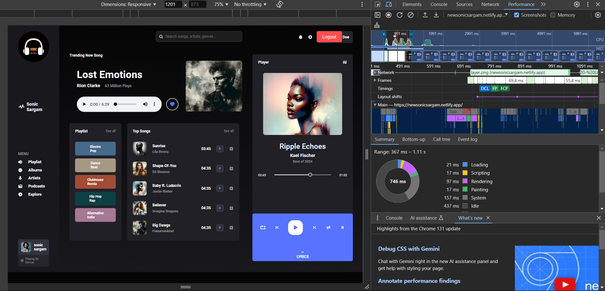 | Atul Pal
Performance Testing |  |  | TC_035 | Checking the website's Performance | 1. Good Internet 2. Good Laptop 3. Using Chrome Browser 4. URL : https://newsonicsargam.netlify.app/ | 1. Visit the Website. 2. click F12 3. Navigate to the performance | Website's loading under 01 Mbps, Ideal range is 2 Seconds | take little bit time | it is loading but taking little bit time | PASSED | NA | Atul Pal
Performance Testing |  |  | TC_036 | Checking the website's Performance | 1. Good Internet 2. Good Laptop 3. Using Chrome Browser 4. URL : https://newsonicsargam.netlify.app/ | 1. Visit the Website. 2. Go on website | Audio streaming on slow networks | No significant buffering delays. | No buffering | PASSED | NA | Atul Pal
Compatibility Testing | TS_013 | Validating the Compatible Functionality | TC_036 | Checking the Compatibility with difference devices | 1. Good Internet 2. Good Laptop 3. Using Chrome Browser 4. URL : https://newsonicsargam.netlify.app/ | 1. Visit the Website. 2. click F12 3. Navigate to the responsiveness | Website's load under various devices | it should work in every device | it is not working every device | FAILED | https://drive.google.com/file/d/18zbmrzbazlAv4BQRQomUDThlSof9MSZK/view?usp=sharing | Atul Pal
Usability Testing | TS_014 | Validating the usability Functionality | TC_037 | Checking the easy to use | 1. Good Internet 2. Good Laptop 3. Using Chrome Browser 4. URL : https://newsonicsargam.netlify.app/ | 1. Visit the Website. | Website should easy to use | Anyone can use | Anyone can use it give this website to 5 year children tell to him play the different songs it should work | PASSED | NA | Atul Pal

